Instructions
Please follow the instructions below to complete the SwimSafer Student List Template

Full Name | Student's full name as per NRIC
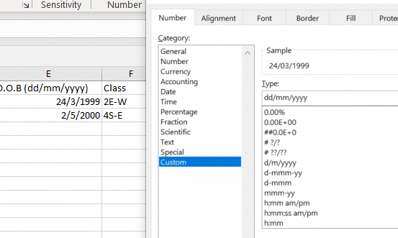
Instructor | Instructor's Full name

Assessor | Assessor's Full name

Stage | Participant Stage registered

Class | State student's class at F column

Total Number of Student | State here

Tentative Date of Assessment | State here | Add on if required. (Tentative date must be at least 14 days after Submisson of Request of uploading SwimSafer Template)

How to submit? | Email to activesg_swimsafer@sport.gov.sg and;
 | Put Subject Title as: <School Name: Request of Uploading SwimSafer Student List>

Additional notes:

1. Uploading process will be delayed if there are further any edits to the List after submission.
2. All fields are mandatory.
3. SwimSafer Team will respond with an email confirmation upon successful uploading of the List.

